Sheet4
Type | Service

Item | Sum of Total Price
Intimate Event | $90,422.03
Corporate Event | $31,195.74
Grand Total | $121,617.77

Sheet5
Type | Product

Item | Sum of Total Price
Balloons | $33,803.62
Chairs | $22,635.14
Lights | $19,994.39
Flowers | $19,326.87
Props | $13,230.43
Tables | $10,931.91
Decoration Pieces | $10,477.66
Curtains | $7,136.10
Grand Total | $137,536.12

Analysis1
Analysis Sheet
This sheet will include all the Python formulas generated by Copilot.

Load data from Sales_ME, Table1

Preview
 | Date | Item | Type | Quantity | Per Unit Price | Total Price | Client, City | Client Number | City | Client name
0 | 45749 | Props | Product | 25 | 74.72 | 1868 | Michael Diaz, Rockville | 570.458.3842 | Rockville | Michael Diaz
1 | 45692 | Chairs | Product | 100 | 91.84 | 9184 | Anthony Murphy DVM, Alexandria | 031-847-5143 | Alexandria | Anthony Murphy DVM
2 | 45694 | Intimate Event | Service | 0 | 0 | 7161.53 | Daniel Beltrain, Silver Spring | 648.430.6541 | Silver Spring | Daniel Beltrain
3 | 45695 | Intimate Event | Service | 0 | 0 | 3385.51 | Daniel Gardner, Alexandria | 132-389-1288 | Alexandria | Daniel Gardner
4 | 45696 | Balloons | Product | 47 | 19.92 | 936.24 | Scott Jackson, Arlington | 281-135-6437 | Arlington | Scott Jackson
... | ... | ... | ... | ... | ... | ... | ... | ... | ... | ...
55 | 45793 | Intimate Event | Service | 0 | 0 | 7060.28 | Brian Rivers, Wilmington | 809-069-8568 | Wilmington | Brian Rivers
56 | 45794 | Balloons | Product | 45 | 66.16 | 2977.2 | Lisa Jackson, Wilmington | 001-966-8656 | Wilmington | Lisa Jackson
57 | 45795 | Chairs | Product | 5 | 116.23 | 581.15 | Trevor Munoz, Maryland | 362-353-9229 | Maryland | Trevor Munoz
58 | 45796 | Chairs | Product | 32 | 145.62 | 4659.84 | Sharon Colin, Silver Spring | 249-920-8963 | Silver Spring | Sharon Colin
59 | 45802 | Decoration Pieces | Product | 57 | 36.66 | 2089.62 | Laura Thompson, Wilmington | 133-897-5897 | Wilmington | Laura Thompson

Plot sales trends over time

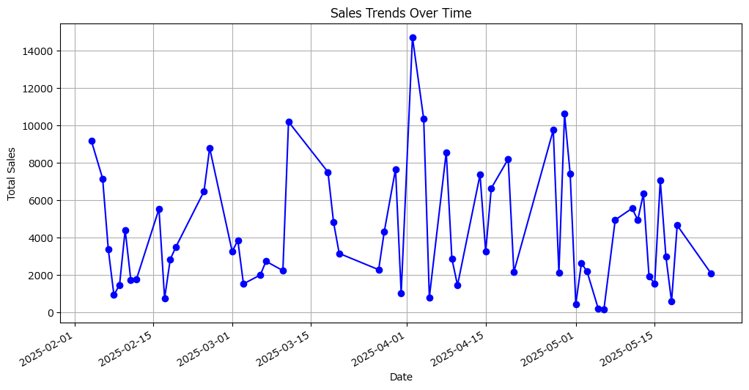

Identify top-performing clients based on total sales

Preview
Client name | Total Price
Cameron Coleman | 12864.14
Leslie Owenin | 10618.26
Michelle Garcia | 10345.79
Thomas Hall | 10202.8
Michele Wallace | 9758.04
... | ...
Robert Coleman | 745.29
Trevor Munoz | 581.15
Kimberly Petty | 444.96
William Johnson | 184.96
David Robertson | 179.62

Performance comparison of products versus services

Preview
Type | Total Price
Product | 137536.12
Service | 121617.77

Analyze sales performance by client location

Preview
City | Total Price
Alexandria | 62290.95
Wilmington | 45096.6
Silver Spring | 33359.79
Rockville | 28145.58
Arlington | 27139.04
... | ...
Maryland | 13674.91
Fairfax | 13108.54
Brady and Wright, Arlington | 8575.02
Nguyen and Greene, Washington | 4942.9
Smith and Gordon, Washington | 4812.21

Pie chart for sales performance by client location

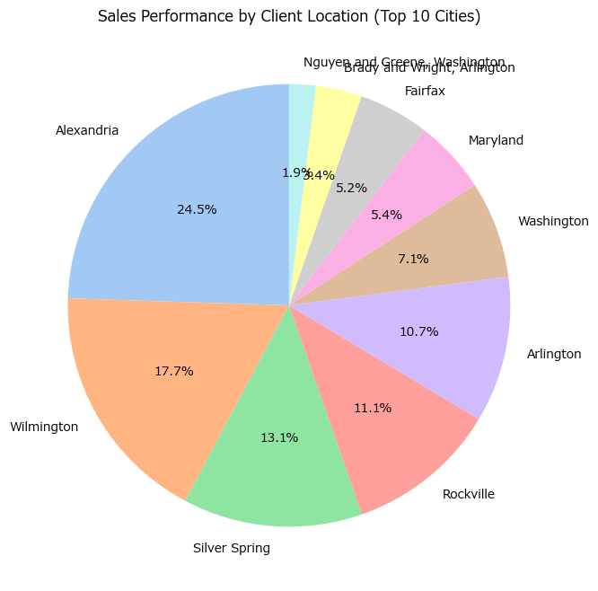

Pie chart for sales performance by client location

